REPORT 2026.04.10
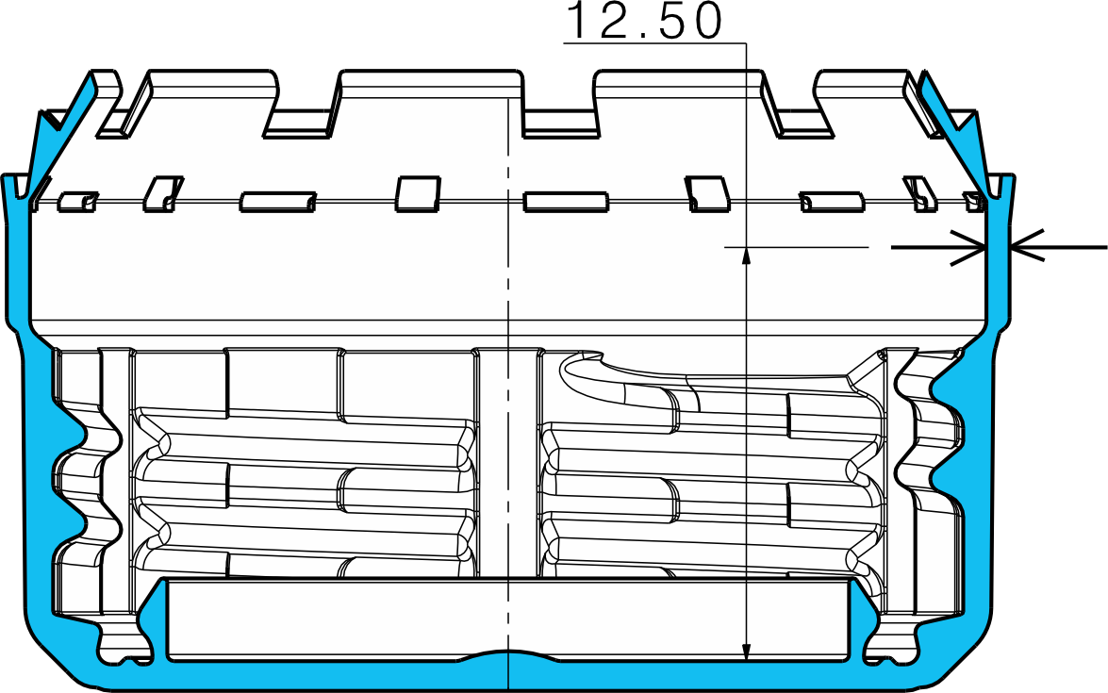
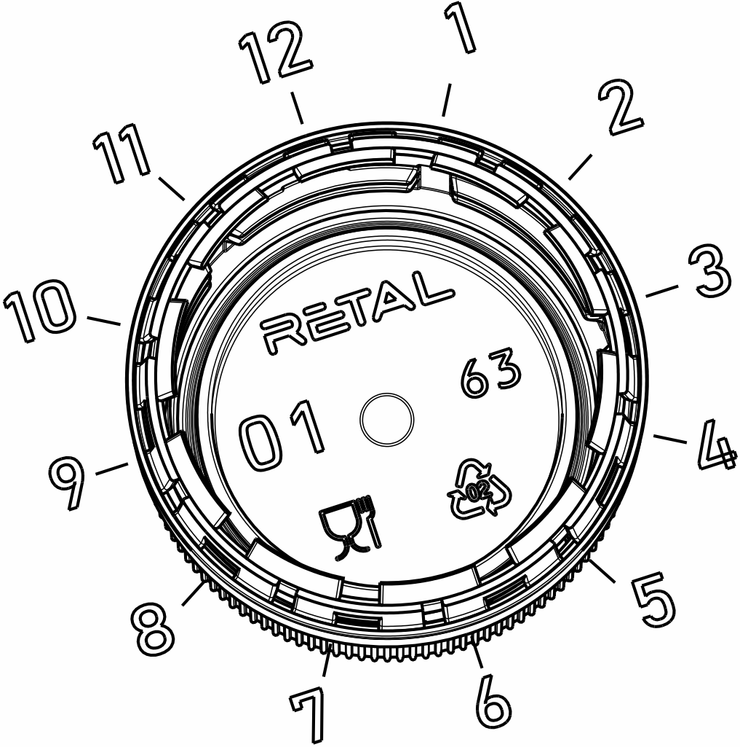
 |  |  |  |  |  |  |  |  |  |  |  |  |  |  |  |  |  |  |  |  |  |  |  |  |  |  |  |  |  |  | Cavities in the mold
 |  |  |  |  |  |  |  |  |  |  |  |  |  |  |  |  |  |  |  |  |  |  |  |  |  |  |  |  |  |  | 1 | 13 | 25 | 37 | 49 | 61
 |  |  |  |  |  |  |  |  |  |  |  |  |  |  |  |  |  |  |  |  |  |  |  |  |  |  |  |  |  |  | 2 | 14 | 26 | 38 | 50 | 62
 |  |  |  |  |  |  |  |  |  |  |  |  |  |  |  |  |  |  |  |  |  |  |  |  |  |  |  |  |  |  | 3 | 15 | 27 | 39 | 51 | 63
Design code: |  | RIC_1881_2 |  |  |  |  |  |  |  |  |  |  |  |  |  |  |  |  |  |  |  |  |  |  |  |  |  |  |  |  | 4 | 16 | 28 | 40 | 52 | 64
Manufacturing plant: |  | Retal Baltic Films |  |  |  |  |  |  |  |  |  |  |  |  |  |  |  |  |  |  |  |  |  |  |  |  |  |  |  |  | 5 | 17 | 29 | 41 | 53 | 65
Mold: |  | 498882 |  |  |  |  |  |  |  |  |  |  |  |  |  |  |  |  |  |  |  |  |  |  |  |  |  |  |  |  | 6 | 18 | 30 | 42 | 54 | 66
 |  |  |  |  |  |  |  |  |  |  |  |  |  |  |  |  |  |  |  |  |  |  |  |  |  |  |  |  |  |  | 7 | 19 | 31 | 43 | 55 | 67
Production date: |  | - |  |  |  |  |  |  |  |  |  |  |  |  |  |  |  |  |  |  |  |  |  |  |  |  |  |  |  |  | 8 | 20 | 32 | 44 | 56 | 68
Product ID: |  |  |  |  |  |  |  |  |  |  |  |  |  |  |  |  |  |  |  |  |  |  |  |  |  |  |  |  |  |  | 9 | 21 | 33 | 45 | 57 | 69
Material: |  | - |  |  |  |  |  |  |  |  |  |  |  |  |  |  |  |  |  |  |  |  |  |  |  |  |  |  |  |  | 10 | 22 | 34 | 46 | 58 | 70
Color: |  | Red |  |  |  |  |  |  |  |  |  |  |  |  |  |  |  |  |  |  |  |  |  |  |  |  |  |  |  |  | 11 | 23 | 35 | 47 | 59 | 71
 |  |  |  |  |  |  |  |  |  |  |  |  |  |  |  |  |  |  |  |  |  |  |  |  |  |  |  |  |  |  | 12 | 24 | 36 | 48 | 60 | 72
Controller: |  | AB
Measurement date: |  | 2026.04.09

Cav. Nr | Outer DIA | Inner DIA | Concentricity | Measured wall thickness (mm) |  |  |  |  |  |  |  |  |  |  |  | AVG. | Deviation from measured average (mm) |  |  |  |  |  |  |  |  |  |  |  | Deviation
 |  |  |  | 1 | 2 | 3 | 4 | 5 | 6 | 7 | 8 | 9 | 10 | 11 | 12 | 0.664 | 1 | 2 | 3 | 4 | 5 | 6 | 7 | 8 | 9 | 10 | 11 | 12 | MIN | MAX | MIN wall thickness deviation from average in the mold
73 | 30.305 | 28.992 | 0.146 | 0.717 | 0.680 | 0.643 | 0.610 | 0.593 | 0.583 | 0.601 | 0.621 | 0.662 | 0.701 | 0.724 | 0.734 | 0.656 | 0.061 | 0.024 | -0.013 | -0.046 | -0.063 | -0.073 | -0.055 | -0.035 | 0.006 | 0.045 | 0.068 | 0.078 | -0.073 | 0.078 | -0.073 | -0.063 | -0.075 | -0.071 | -0.096 | -0.125
74 | 30.338 | 29.009 | 0.158 | 0.749 | 0.726 | 0.692 | 0.655 | 0.618 | 0.595 | 0.593 | 0.594 | 0.627 | 0.665 | 0.710 | 0.740 | 0.664 | 0.085 | 0.062 | 0.028 | -0.009 | -0.046 | -0.069 | -0.071 | -0.070 | -0.037 | 0.001 | 0.046 | 0.076 | -0.071 | 0.085 | -0.071 | -0.078 | -0.095 | -0.086 | -0.076 | -0.093
3 | 30.356 | 29.017 | 0.124 | 0.721 | 0.689 | 0.654 | 0.625 | 0.610 | 0.610 | 0.628 | 0.647 | 0.682 | 0.709 | 0.725 | 0.732 | 0.669 | 0.052 | 0.020 | -0.015 | -0.044 | -0.059 | -0.059 | -0.041 | -0.022 | 0.013 | 0.040 | 0.056 | 0.063 | -0.059 | 0.063 | -0.059 | -0.082 | -0.083 | -0.072 | -0.115 | -0.113
4 | 30.347 | 29.010 | 0.162 | 0.731 | 0.687 | 0.640 | 0.603 | 0.592 | 0.596 | 0.620 | 0.644 | 0.687 | 0.719 | 0.743 | 0.750 | 0.668 | 0.063 | 0.019 | -0.028 | -0.065 | -0.076 | -0.072 | -0.048 | -0.024 | 0.019 | 0.051 | 0.075 | 0.082 | -0.076 | 0.082 | -0.076 | -0.096 | -0.080 | -0.084 | -0.113 | -0.105
5 | 30.328 | 28.994 | 0.144 | 0.726 | 0.685 | 0.648 | 0.617 | 0.599 | 0.599 | 0.618 | 0.641 | 0.680 | 0.713 | 0.734 | 0.745 | 0.667 | 0.059 | 0.018 | -0.019 | -0.050 | -0.068 | -0.068 | -0.049 | -0.026 | 0.013 | 0.046 | 0.067 | 0.078 | -0.068 | 0.078 | -0.068 | -0.079 | -0.059 | -0.081 | -0.105 | -0.108
6 | 30.266 | 28.935 | 0.317 | 0.723 | 0.631 | 0.558 | 0.506 | 0.508 | 0.549 | 0.620 | 0.684 | 0.765 | 0.812 | 0.820 | 0.794 | 0.664 | 0.059 | -0.033 | -0.106 | -0.158 | -0.156 | -0.115 | -0.044 | 0.020 | 0.101 | 0.148 | 0.156 | 0.130 | -0.158 | 0.156 | -0.158 | -0.084 | -0.049 | -0.063 | -0.124 | -0.081
7 | 30.352 | 29.021 | 0.221 | 0.770 | 0.724 | 0.669 | 0.608 | 0.568 | 0.555 | 0.574 | 0.605 | 0.658 | 0.711 | 0.748 | 0.775 | 0.664 | 0.106 | 0.060 | 0.005 | -0.056 | -0.096 | -0.109 | -0.090 | -0.059 | -0.006 | 0.047 | 0.084 | 0.111 | -0.109 | 0.111 | -0.109 | -0.123 | -0.096 | -0.097 | -0.078 | -0.118
8 | 30.339 | 28.990 | 0.263 | 0.806 | 0.767 | 0.712 | 0.640 | 0.580 | 0.545 | 0.556 | 0.569 | 0.634 | 0.702 | 0.758 | 0.798 | 0.672 | 0.134 | 0.095 | 0.040 | -0.032 | -0.092 | -0.127 | -0.116 | -0.103 | -0.038 | 0.030 | 0.086 | 0.126 | -0.127 | 0.134 | -0.127 | -0.114 | -0.125 | -0.115 | -0.102 | -0.155
9 | 30.300 | 28.970 | 0.220 | 0.769 | 0.772 | 0.745 | 0.699 | 0.643 | 0.592 | 0.565 | 0.552 | 0.585 | 0.626 | 0.672 | 0.727 | 0.662 | 0.107 | 0.110 | 0.083 | 0.037 | -0.019 | -0.070 | -0.097 | -0.110 | -0.077 | -0.036 | 0.010 | 0.065 | -0.110 | 0.110 | -0.110 | -0.140 | -0.169 | -0.134 | -0.151 | -0.163
10 | 30.317 | 28.985 | 0.214 | 0.779 | 0.747 | 0.706 | 0.651 | 0.597 | 0.565 | 0.563 | 0.572 | 0.617 | 0.671 | 0.722 | 0.764 | 0.663 | 0.116 | 0.084 | 0.043 | -0.012 | -0.066 | -0.098 | -0.100 | -0.091 | -0.046 | 0.008 | 0.059 | 0.101 | -0.100 | 0.116 | -0.100 | -0.135 | -0.099 | -0.159 | -0.121 | -0.134
11 | 30.287 | 28.947 | 0.328 | 0.835 | 0.828 | 0.776 | 0.696 | 0.614 | 0.546 | 0.521 | 0.513 | 0.558 | 0.623 | 0.707 | 0.785 | 0.667 | 0.168 | 0.161 | 0.109 | 0.029 | -0.053 | -0.121 | -0.146 | -0.154 | -0.109 | -0.044 | 0.040 | 0.118 | -0.154 | 0.168 | -0.154 | -0.128 | -0.098 | -0.117 | -0.143 | -0.108
12 | 30.319 | 28.984 | 0.188 | 0.768 | 0.749 | 0.713 | 0.667 | 0.619 | 0.587 | 0.579 | 0.582 | 0.621 | 0.659 | 0.708 | 0.748 | 0.667 | 0.101 | 0.082 | 0.046 | 0.000 | -0.048 | -0.080 | -0.088 | -0.085 | -0.046 | -0.008 | 0.041 | 0.081 | -0.088 | 0.101 | -0.088 | -0.086 | -0.110 | -0.135 | -0.119 | -0.129
13 | 30.352 | 28.999 | 0.133 | 0.746 | 0.724 | 0.693 | 0.659 | 0.629 | 0.612 | 0.613 | 0.634 | 0.648 | 0.681 | 0.723 | 0.738 | 0.675 | 0.071 | 0.049 | 0.018 | -0.016 | -0.046 | -0.063 | -0.062 | -0.041 | -0.027 | 0.006 | 0.048 | 0.063 | -0.063 | 0.071
14 | 30.334 | 28.992 | 0.156 | 0.752 | 0.725 | 0.686 | 0.643 | 0.609 | 0.593 | 0.605 | 0.617 | 0.656 | 0.693 | 0.726 | 0.748 | 0.671 | 0.081 | 0.054 | 0.015 | -0.028 | -0.062 | -0.078 | -0.066 | -0.054 | -0.015 | 0.022 | 0.055 | 0.077 | -0.078 | 0.081 | MAX wall thickness deviation from average in the mold
15 | 30.347 | 29.004 | 0.175 | 0.751 | 0.711 | 0.661 | 0.616 | 0.590 | 0.588 | 0.607 | 0.628 | 0.672 | 0.713 | 0.743 | 0.760 | 0.670 | 0.081 | 0.041 | -0.009 | -0.054 | -0.080 | -0.082 | -0.063 | -0.042 | 0.002 | 0.043 | 0.073 | 0.090 | -0.082 | 0.090 | 0.078 | 0.071 | 0.085 | 0.086 | 0.104 | 0.137
16 | 30.344 | 28.999 | 0.191 | 0.753 | 0.766 | 0.758 | 0.727 | 0.686 | 0.640 | 0.605 | 0.576 | 0.590 | 0.605 | 0.650 | 0.703 | 0.672 | 0.081 | 0.094 | 0.086 | 0.055 | 0.014 | -0.032 | -0.067 | -0.096 | -0.082 | -0.067 | -0.022 | 0.031 | -0.096 | 0.094 | 0.085 | 0.081 | 0.117 | 0.103 | 0.089 | 0.103
17 | 30.333 | 29.002 | 0.179 | 0.764 | 0.740 | 0.698 | 0.649 | 0.610 | 0.585 | 0.585 | 0.592 | 0.626 | 0.665 | 0.712 | 0.745 | 0.664 | 0.100 | 0.076 | 0.034 | -0.015 | -0.054 | -0.079 | -0.079 | -0.072 | -0.038 | 0.001 | 0.048 | 0.081 | -0.079 | 0.100 | 0.063 | 0.090 | 0.098 | 0.084 | 0.093 | 0.122
18 | 30.309 | 28.980 | 0.174 | 0.708 | 0.654 | 0.610 | 0.581 | 0.581 | 0.599 | 0.634 | 0.666 | 0.710 | 0.743 | 0.753 | 0.743 | 0.665 | 0.043 | -0.011 | -0.055 | -0.084 | -0.084 | -0.066 | -0.031 | 0.001 | 0.045 | 0.078 | 0.088 | 0.078 | -0.084 | 0.088 | 0.082 | 0.094 | 0.100 | 0.093 | 0.107 | 0.106
19 | 30.319 | 28.985 | 0.256 | 0.767 | 0.694 | 0.627 | 0.571 | 0.542 | 0.544 | 0.583 | 0.626 | 0.695 | 0.753 | 0.786 | 0.793 | 0.665 | 0.102 | 0.029 | -0.038 | -0.094 | -0.123 | -0.121 | -0.082 | -0.039 | 0.030 | 0.088 | 0.121 | 0.128 | -0.123 | 0.128 | 0.078 | 0.100 | 0.071 | 0.088 | 0.124 | 0.108
20 | 30.309 | 28.978 | 0.223 | 0.769 | 0.727 | 0.671 | 0.609 | 0.566 | 0.550 | 0.573 | 0.599 | 0.660 | 0.715 | 0.754 | 0.774 | 0.664 | 0.105 | 0.063 | 0.007 | -0.055 | -0.098 | -0.114 | -0.091 | -0.065 | -0.004 | 0.051 | 0.090 | 0.110 | -0.114 | 0.110 | 0.156 | 0.088 | 0.057 | 0.075 | 0.123 | 0.086
21 | 30.288 | 28.961 | 0.293 | 0.783 | 0.711 | 0.634 | 0.561 | 0.524 | 0.521 | 0.558 | 0.599 | 0.679 | 0.752 | 0.801 | 0.812 | 0.661 | 0.122 | 0.050 | -0.027 | -0.100 | -0.137 | -0.140 | -0.103 | -0.062 | 0.018 | 0.091 | 0.140 | 0.151 | -0.140 | 0.151 | 0.111 | 0.128 | 0.100 | 0.119 | 0.085 | 0.125
22 | 30.303 | 28.976 | 0.292 | 0.819 | 0.797 | 0.739 | 0.661 | 0.587 | 0.538 | 0.526 | 0.533 | 0.586 | 0.644 | 0.717 | 0.782 | 0.661 | 0.158 | 0.136 | 0.078 | 0.000 | -0.074 | -0.123 | -0.135 | -0.128 | -0.075 | -0.017 | 0.056 | 0.121 | -0.135 | 0.158 | 0.134 | 0.110 | 0.133 | 0.113 | 0.107 | 0.163
23 | 30.323 | 28.981 | 0.271 | 0.810 | 0.795 | 0.746 | 0.679 | 0.607 | 0.555 | 0.540 | 0.547 | 0.594 | 0.648 | 0.719 | 0.779 | 0.668 | 0.142 | 0.127 | 0.078 | 0.011 | -0.061 | -0.113 | -0.128 | -0.121 | -0.074 | -0.020 | 0.051 | 0.111 | -0.128 | 0.142 | 0.110 | 0.151 | 0.183 | 0.151 | 0.159 | 0.174
98 | 30.355 | 29.012 | 0.180 | 0.763 | 0.731 | 0.685 | 0.639 | 0.602 | 0.585 | 0.593 | 0.612 | 0.652 | 0.693 | 0.735 | 0.762 | 0.671 | 0.092 | 0.060 | 0.014 | -0.032 | -0.069 | -0.086 | -0.078 | -0.059 | -0.019 | 0.022 | 0.064 | 0.091 | -0.086 | 0.092 | 0.116 | 0.158 | 0.112 | 0.189 | 0.124 | 0.138
25 | 30.316 | 28.996 | 0.157 | 0.743 | 0.735 | 0.709 | 0.669 | 0.632 | 0.598 | 0.590 | 0.583 | 0.611 | 0.640 | 0.676 | 0.714 | 0.658 | 0.085 | 0.077 | 0.051 | 0.011 | -0.026 | -0.060 | -0.068 | -0.075 | -0.047 | -0.018 | 0.018 | 0.056 | -0.075 | 0.085 | 0.168 | 0.142 | 0.107 | 0.131 | 0.158 | 0.120
26 | 30.333 | 29.007 | 0.212 | 0.777 | 0.762 | 0.720 | 0.662 | 0.608 | 0.574 | 0.570 | 0.565 | 0.599 | 0.645 | 0.696 | 0.745 | 0.660 | 0.117 | 0.102 | 0.060 | 0.002 | -0.052 | -0.086 | -0.090 | -0.095 | -0.061 | -0.015 | 0.036 | 0.085 | -0.095 | 0.117 | 0.101 | 0.092 | 0.121 | 0.154 | 0.130 | 0.141
27 | 30.325 | 28.992 | 0.176 | 0.763 | 0.735 | 0.692 | 0.640 | 0.607 | 0.583 | 0.589 | 0.600 | 0.637 | 0.676 | 0.715 | 0.749 | 0.666 | 0.098 | 0.070 | 0.026 | -0.025 | -0.058 | -0.083 | -0.077 | -0.066 | -0.028 | 0.011 | 0.049 | 0.084 | -0.083 | 0.098
28 | 30.337 | 29.004 | 0.169 | 0.766 | 0.728 | 0.687 | 0.642 | 0.605 | 0.586 | 0.595 | 0.603 | 0.634 | 0.676 | 0.716 | 0.759 | 0.666 | 0.100 | 0.062 | 0.021 | -0.024 | -0.061 | -0.080 | -0.071 | -0.063 | -0.032 | 0.010 | 0.050 | 0.093 | -0.080 | 0.100 | Concentricity in the mold
29 | 30.332 | 28.990 | 0.130 | 0.743 | 0.718 | 0.690 | 0.652 | 0.625 | 0.613 | 0.614 | 0.626 | 0.655 | 0.682 | 0.710 | 0.734 | 0.672 | 0.071 | 0.046 | 0.018 | -0.020 | -0.047 | -0.059 | -0.058 | -0.046 | -0.017 | 0.010 | 0.038 | 0.062 | -0.059 | 0.071 | 0.146 | 0.133 | 0.157 | 0.161 | 0.198 | 0.262
30 | 30.357 | 29.017 | 0.106 | 0.727 | 0.701 | 0.673 | 0.642 | 0.626 | 0.621 | 0.631 | 0.637 | 0.661 | 0.689 | 0.707 | 0.727 | 0.670 | 0.057 | 0.031 | 0.003 | -0.028 | -0.044 | -0.049 | -0.039 | -0.033 | -0.009 | 0.019 | 0.037 | 0.057 | -0.049 | 0.057 | 0.158 | 0.156 | 0.212 | 0.186 | 0.173 | 0.196
31 | 30.337 | 28.999 | 0.193 | 0.750 | 0.697 | 0.642 | 0.598 | 0.574 | 0.579 | 0.615 | 0.633 | 0.687 | 0.734 | 0.762 | 0.770 | 0.670 | 0.080 | 0.027 | -0.028 | -0.072 | -0.096 | -0.091 | -0.055 | -0.037 | 0.017 | 0.064 | 0.092 | 0.100 | -0.096 | 0.100 | 0.124 | 0.175 | 0.176 | 0.156 | 0.201 | 0.237
32 | 30.314 | 28.971 | 0.259 | 0.794 | 0.741 | 0.672 | 0.603 | 0.556 | 0.544 | 0.567 | 0.592 | 0.660 | 0.723 | 0.773 | 0.802 | 0.669 | 0.125 | 0.072 | 0.003 | -0.066 | -0.113 | -0.125 | -0.102 | -0.077 | -0.009 | 0.054 | 0.104 | 0.133 | -0.125 | 0.133 | 0.162 | 0.191 | 0.169 | 0.175 | 0.220 | 0.213
33 | 30.274 | 28.951 | 0.349 | 0.840 | 0.782 | 0.689 | 0.585 | 0.517 | 0.488 | 0.517 | 0.539 | 0.615 | 0.703 | 0.781 | 0.834 | 0.658 | 0.183 | 0.125 | 0.031 | -0.073 | -0.140 | -0.169 | -0.140 | -0.118 | -0.042 | 0.045 | 0.124 | 0.177 | -0.169 | 0.183 | 0.144 | 0.179 | 0.130 | 0.173 | 0.208 | 0.215
34 | 30.312 | 28.984 | 0.215 | 0.775 | 0.749 | 0.699 | 0.637 | 0.591 | 0.564 | 0.566 | 0.577 | 0.625 | 0.676 | 0.727 | 0.765 | 0.663 | 0.112 | 0.086 | 0.036 | -0.026 | -0.072 | -0.099 | -0.097 | -0.086 | -0.038 | 0.013 | 0.064 | 0.102 | -0.099 | 0.112 | 0.317 | 0.174 | 0.106 | 0.147 | 0.237 | 0.171
35 | 30.322 | 28.988 | 0.203 | 0.771 | 0.727 | 0.670 | 0.611 | 0.577 | 0.568 | 0.587 | 0.608 | 0.653 | 0.701 | 0.745 | 0.773 | 0.666 | 0.105 | 0.061 | 0.004 | -0.055 | -0.089 | -0.098 | -0.079 | -0.058 | -0.013 | 0.035 | 0.079 | 0.107 | -0.098 | 0.107 | 0.221 | 0.256 | 0.193 | 0.195 | 0.148 | 0.247
36 | 30.297 | 28.972 | 0.231 | 0.763 | 0.704 | 0.642 | 0.584 | 0.556 | 0.553 | 0.582 | 0.615 | 0.676 | 0.727 | 0.767 | 0.784 | 0.663 | 0.100 | 0.041 | -0.021 | -0.079 | -0.107 | -0.110 | -0.081 | -0.048 | 0.013 | 0.064 | 0.104 | 0.121 | -0.110 | 0.121 | 0.263 | 0.223 | 0.259 | 0.221 | 0.209 | 0.314
37 | 30.337 | 29.005 | 0.161 | 0.750 | 0.726 | 0.689 | 0.645 | 0.614 | 0.593 | 0.598 | 0.598 | 0.631 | 0.672 | 0.713 | 0.744 | 0.664 | 0.086 | 0.062 | 0.025 | -0.019 | -0.050 | -0.071 | -0.066 | -0.066 | -0.033 | 0.008 | 0.049 | 0.080 | -0.071 | 0.086 | 0.220 | 0.293 | 0.349 | 0.292 | 0.316 | 0.329
38 | 30.346 | 29.016 | 0.186 | 0.767 | 0.753 | 0.699 | 0.651 | 0.607 | 0.581 | 0.578 | 0.588 | 0.625 | 0.661 | 0.709 | 0.750 | 0.664 | 0.103 | 0.089 | 0.035 | -0.013 | -0.057 | -0.083 | -0.086 | -0.076 | -0.039 | -0.003 | 0.045 | 0.086 | -0.086 | 0.103 | 0.214 | 0.292 | 0.215 | 0.362 | 0.242 | 0.269
39 | 30.356 | 29.009 | 0.156 | 0.757 | 0.735 | 0.699 | 0.658 | 0.623 | 0.601 | 0.604 | 0.608 | 0.645 | 0.680 | 0.716 | 0.745 | 0.673 | 0.084 | 0.062 | 0.026 | -0.015 | -0.050 | -0.072 | -0.069 | -0.065 | -0.028 | 0.007 | 0.043 | 0.072 | -0.072 | 0.084 | 0.328 | 0.271 | 0.203 | 0.250 | 0.307 | 0.231
40 | 30.322 | 28.984 | 0.175 | 0.753 | 0.715 | 0.668 | 0.622 | 0.593 | 0.583 | 0.598 | 0.615 | 0.660 | 0.700 | 0.737 | 0.760 | 0.667 | 0.086 | 0.048 | 0.001 | -0.045 | -0.074 | -0.084 | -0.069 | -0.052 | -0.007 | 0.033 | 0.070 | 0.093 | -0.084 | 0.093 | 0.188 | 0.180 | 0.231 | 0.290 | 0.263 | 0.273
41 | 30.298 | 28.978 | 0.173 | 0.748 | 0.722 | 0.685 | 0.643 | 0.604 | 0.579 | 0.579 | 0.591 | 0.630 | 0.676 | 0.719 | 0.744 | 0.660 | 0.088 | 0.062 | 0.025 | -0.017 | -0.056 | -0.081 | -0.081 | -0.069 | -0.030 | 0.016 | 0.059 | 0.084 | -0.081 | 0.088
42 | 30.304 | 28.971 | 0.147 | 0.732 | 0.703 | 0.662 | 0.622 | 0.607 | 0.603 | 0.608 | 0.625 | 0.666 | 0.701 | 0.728 | 0.741 | 0.666 | 0.066 | 0.037 | -0.004 | -0.044 | -0.059 | -0.063 | -0.058 | -0.041 | 0.000 | 0.035 | 0.062 | 0.075 | -0.063 | 0.075 | Average wall thickness:
43 | 30.299 | 28.963 | 0.195 | 0.750 | 0.707 | 0.656 | 0.598 | 0.578 | 0.570 | 0.597 | 0.621 | 0.669 | 0.711 | 0.756 | 0.786 | 0.667 | 0.083 | 0.040 | -0.011 | -0.069 | -0.089 | -0.097 | -0.070 | -0.046 | 0.002 | 0.044 | 0.089 | 0.119 | -0.097 | 0.119 | 0.656 | 0.675 | 0.658 | 0.664 | 0.661 | 0.658
44 | 30.317 | 28.975 | 0.221 | 0.774 | 0.733 | 0.681 | 0.615 | 0.591 | 0.555 | 0.573 | 0.604 | 0.659 | 0.711 | 0.758 | 0.783 | 0.670 | 0.104 | 0.063 | 0.011 | -0.055 | -0.079 | -0.115 | -0.097 | -0.066 | -0.011 | 0.041 | 0.088 | 0.113 | -0.115 | 0.113 | 0.664 | 0.671 | 0.660 | 0.664 | 0.661 | 0.658
45 | 30.261 | 28.929 | 0.292 | 0.800 | 0.760 | 0.685 | 0.603 | 0.555 | 0.525 | 0.532 | 0.564 | 0.619 | 0.702 | 0.758 | 0.810 | 0.659 | 0.141 | 0.101 | 0.026 | -0.056 | -0.104 | -0.134 | -0.127 | -0.095 | -0.040 | 0.043 | 0.099 | 0.151 | -0.134 | 0.151 | 0.669 | 0.670 | 0.666 | 0.673 | 0.681 | 0.660
46 | 30.276 | 28.929 | 0.362 | 0.855 | 0.850 | 0.797 | 0.705 | 0.611 | 0.534 | 0.507 | 0.510 | 0.534 | 0.604 | 0.695 | 0.792 | 0.666 | 0.189 | 0.184 | 0.131 | 0.039 | -0.055 | -0.132 | -0.159 | -0.156 | -0.132 | -0.062 | 0.029 | 0.126 | -0.159 | 0.189 | 0.668 | 0.672 | 0.666 | 0.667 | 0.680 | 0.660
47 | 30.310 | 28.965 | 0.250 | 0.800 | 0.772 | 0.716 | 0.647 | 0.588 | 0.552 | 0.554 | 0.573 | 0.628 | 0.681 | 0.735 | 0.787 | 0.669 | 0.131 | 0.103 | 0.047 | -0.022 | -0.081 | -0.117 | -0.115 | -0.096 | -0.041 | 0.012 | 0.066 | 0.118 | -0.117 | 0.131 | 0.667 | 0.664 | 0.672 | 0.660 | 0.668 | 0.655
48 | 30.311 | 28.970 | 0.290 | 0.821 | 0.797 | 0.741 | 0.666 | 0.590 | 0.543 | 0.532 | 0.540 | 0.596 | 0.658 | 0.730 | 0.792 | 0.667 | 0.154 | 0.130 | 0.074 | -0.001 | -0.077 | -0.124 | -0.135 | -0.127 | -0.071 | -0.009 | 0.063 | 0.125 | -0.135 | 0.154 | 0.664 | 0.665 | 0.670 | 0.666 | 0.675 | 0.655
49 | 30.303 | 28.974 | 0.198 | 0.765 | 0.731 | 0.682 | 0.634 | 0.588 | 0.565 | 0.579 | 0.593 | 0.633 | 0.681 | 0.730 | 0.756 | 0.661 | 0.104 | 0.070 | 0.021 | -0.027 | -0.073 | -0.096 | -0.082 | -0.068 | -0.028 | 0.020 | 0.069 | 0.095 | -0.096 | 0.104 | 0.664 | 0.665 | 0.670 | 0.667 | 0.669 | 0.656
50 | 30.304 | 28.981 | 0.173 | 0.750 | 0.717 | 0.675 | 0.629 | 0.596 | 0.585 | 0.590 | 0.597 | 0.641 | 0.685 | 0.724 | 0.746 | 0.661 | 0.089 | 0.056 | 0.014 | -0.032 | -0.065 | -0.076 | -0.071 | -0.064 | -0.020 | 0.024 | 0.063 | 0.085 | -0.076 | 0.089 | 0.672 | 0.664 | 0.669 | 0.670 | 0.659 | 0.654
51 | 30.314 | 28.971 | 0.201 | 0.768 | 0.736 | 0.689 | 0.634 | 0.566 | 0.589 | 0.618 | 0.606 | 0.671 | 0.754 | 0.774 | 0.767 | 0.681 | 0.087 | 0.055 | 0.008 | -0.047 | -0.115 | -0.092 | -0.063 | -0.075 | -0.010 | 0.073 | 0.093 | 0.086 | -0.115 | 0.093 | 0.662 | 0.661 | 0.658 | 0.659 | 0.654 | 0.652
52 | 30.307 | 28.951 | 0.220 | 0.768 | 0.727 | 0.640 | 0.587 | 0.582 | 0.567 | 0.623 | 0.627 | 0.689 | 0.774 | 0.784 | 0.787 | 0.680 | 0.088 | 0.047 | -0.040 | -0.093 | -0.098 | -0.113 | -0.057 | -0.053 | 0.009 | 0.094 | 0.104 | 0.107 | -0.113 | 0.107 | 0.663 | 0.661 | 0.663 | 0.666 | 0.661 | 0.659
53 | 30.315 | 28.971 | 0.208 | 0.752 | 0.708 | 0.647 | 0.591 | 0.563 | 0.574 | 0.631 | 0.620 | 0.667 | 0.721 | 0.753 | 0.792 | 0.668 | 0.084 | 0.040 | -0.021 | -0.077 | -0.105 | -0.094 | -0.037 | -0.048 | -0.001 | 0.053 | 0.085 | 0.124 | -0.105 | 0.124 | 0.667 | 0.668 | 0.666 | 0.669 | 0.655 | 0.661
97 | 30.321 | 28.970 | 0.237 | 0.746 | 0.694 | 0.625 | 0.568 | 0.551 | 0.569 | 0.621 | 0.664 | 0.710 | 0.767 | 0.783 | 0.798 | 0.675 | 0.071 | 0.019 | -0.050 | -0.107 | -0.124 | -0.106 | -0.054 | -0.011 | 0.035 | 0.092 | 0.108 | 0.123 | -0.124 | 0.123 | 0.667 | 0.671 | 0.663 | 0.667 | 0.665 | 0.658
55 | 30.327 | 28.986 | 0.148 | 0.740 | 0.721 | 0.676 | 0.636 | 0.605 | 0.591 | 0.624 | 0.617 | 0.650 | 0.698 | 0.717 | 0.754 | 0.669 | 0.071 | 0.052 | 0.007 | -0.033 | -0.064 | -0.078 | -0.045 | -0.052 | -0.019 | 0.029 | 0.048 | 0.085 | -0.078 | 0.085
56 | 30.323 | 28.999 | 0.209 | 0.763 | 0.723 | 0.673 | 0.616 | 0.569 | 0.557 | 0.573 | 0.588 | 0.644 | 0.695 | 0.741 | 0.766 | 0.659 | 0.104 | 0.064 | 0.014 | -0.043 | -0.090 | -0.102 | -0.086 | -0.071 | -0.015 | 0.036 | 0.082 | 0.107 | -0.102 | 0.107
57 | 30.249 | 28.935 | 0.316 | 0.779 | 0.700 | 0.615 | 0.538 | 0.504 | 0.503 | 0.546 | 0.608 | 0.684 | 0.759 | 0.803 | 0.813 | 0.654 | 0.125 | 0.046 | -0.039 | -0.116 | -0.150 | -0.151 | -0.108 | -0.046 | 0.030 | 0.105 | 0.149 | 0.159 | -0.151 | 0.159
58 | 30.292 | 28.969 | 0.242 | 0.776 | 0.728 | 0.660 | 0.594 | 0.555 | 0.540 | 0.564 | 0.597 | 0.656 | 0.714 | 0.760 | 0.785 | 0.661 | 0.115 | 0.067 | -0.001 | -0.067 | -0.106 | -0.121 | -0.097 | -0.064 | -0.005 | 0.053 | 0.099 | 0.124 | -0.121 | 0.124
59 | 30.283 | 28.967 | 0.307 | 0.795 | 0.730 | 0.650 | 0.563 | 0.512 | 0.516 | 0.540 | 0.573 | 0.652 | 0.731 | 0.788 | 0.813 | 0.655 | 0.140 | 0.075 | -0.005 | -0.092 | -0.143 | -0.139 | -0.115 | -0.082 | -0.003 | 0.076 | 0.133 | 0.158 | -0.143 | 0.158
60 | 30.321 | 28.985 | 0.263 | 0.793 | 0.743 | 0.676 | 0.604 | 0.556 | 0.546 | 0.558 | 0.583 | 0.644 | 0.711 | 0.766 | 0.795 | 0.665 | 0.128 | 0.078 | 0.011 | -0.061 | -0.109 | -0.119 | -0.107 | -0.082 | -0.021 | 0.046 | 0.101 | 0.130 | -0.119 | 0.130
99 | 30.304 | 28.982 | 0.262 | 0.788 | 0.734 | 0.668 | 0.600 | 0.554 | 0.533 | 0.550 | 0.574 | 0.639 | 0.706 | 0.760 | 0.795 | 0.658 | 0.130 | 0.076 | 0.010 | -0.058 | -0.104 | -0.125 | -0.108 | -0.084 | -0.019 | 0.048 | 0.102 | 0.137 | -0.125 | 0.137
97 | 30.316 | 28.998 | 0.196 | 0.761 | 0.721 | 0.668 | 0.616 | 0.580 | 0.565 | 0.573 | 0.593 | 0.645 | 0.686 | 0.726 | 0.758 | 0.658 | 0.103 | 0.063 | 0.010 | -0.042 | -0.078 | -0.093 | -0.085 | -0.065 | -0.013 | 0.028 | 0.068 | 0.100 | -0.093 | 0.103
63 | 30.312 | 28.988 | 0.237 | 0.774 | 0.724 | 0.661 | 0.595 | 0.556 | 0.547 | 0.572 | 0.589 | 0.651 | 0.711 | 0.761 | 0.782 | 0.660 | 0.114 | 0.064 | 0.001 | -0.065 | -0.104 | -0.113 | -0.088 | -0.071 | -0.009 | 0.051 | 0.101 | 0.122 | -0.113 | 0.122
64 | 30.292 | 28.971 | 0.213 | 0.741 | 0.680 | 0.622 | 0.574 | 0.555 | 0.559 | 0.597 | 0.632 | 0.692 | 0.737 | 0.762 | 0.766 | 0.660 | 0.081 | 0.020 | -0.038 | -0.086 | -0.105 | -0.101 | -0.063 | -0.028 | 0.032 | 0.077 | 0.102 | 0.106 | -0.105 | 0.106
65 | 30.288 | 28.977 | 0.215 | 0.762 | 0.714 | 0.658 | 0.604 | 0.567 | 0.547 | 0.568 | 0.594 | 0.646 | 0.697 | 0.739 | 0.763 | 0.655 | 0.107 | 0.059 | 0.003 | -0.051 | -0.088 | -0.108 | -0.087 | -0.061 | -0.009 | 0.042 | 0.084 | 0.108 | -0.108 | 0.108
66 | 30.300 | 28.987 | 0.171 | 0.740 | 0.709 | 0.666 | 0.620 | 0.592 | 0.574 | 0.580 | 0.598 | 0.642 | 0.681 | 0.721 | 0.741 | 0.655 | 0.085 | 0.054 | 0.011 | -0.035 | -0.063 | -0.081 | -0.075 | -0.057 | -0.013 | 0.026 | 0.066 | 0.086 | -0.081 | 0.086
67 | 30.284 | 28.968 | 0.247 | 0.752 | 0.691 | 0.627 | 0.568 | 0.538 | 0.540 | 0.573 | 0.611 | 0.676 | 0.734 | 0.781 | 0.780 | 0.656 | 0.096 | 0.035 | -0.029 | -0.088 | -0.118 | -0.116 | -0.083 | -0.045 | 0.020 | 0.078 | 0.125 | 0.124 | -0.118 | 0.125
68 | 30.268 | 28.956 | 0.314 | 0.784 | 0.704 | 0.619 | 0.540 | 0.499 | 0.513 | 0.548 | 0.594 | 0.677 | 0.751 | 0.798 | 0.817 | 0.654 | 0.130 | 0.050 | -0.035 | -0.114 | -0.155 | -0.141 | -0.106 | -0.060 | 0.023 | 0.097 | 0.144 | 0.163 | -0.155 | 0.163
69 | 30.221 | 28.911 | 0.329 | 0.802 | 0.730 | 0.638 | 0.551 | 0.500 | 0.489 | 0.534 | 0.569 | 0.652 | 0.733 | 0.798 | 0.826 | 0.652 | 0.150 | 0.078 | -0.014 | -0.101 | -0.152 | -0.163 | -0.118 | -0.083 | 0.000 | 0.081 | 0.146 | 0.174 | -0.163 | 0.174
70 | 30.292 | 28.970 | 0.269 | 0.789 | 0.736 | 0.671 | 0.601 | 0.552 | 0.525 | 0.543 | 0.573 | 0.642 | 0.710 | 0.765 | 0.797 | 0.659 | 0.130 | 0.077 | 0.012 | -0.058 | -0.107 | -0.134 | -0.116 | -0.086 | -0.017 | 0.051 | 0.106 | 0.138 | -0.134 | 0.138
71 | 30.289 | 28.962 | 0.231 | 0.722 | 0.652 | 0.596 | 0.556 | 0.553 | 0.567 | 0.610 | 0.656 | 0.713 | 0.760 | 0.781 | 0.767 | 0.661 | 0.061 | -0.009 | -0.065 | -0.105 | -0.108 | -0.094 | -0.051 | -0.005 | 0.052 | 0.099 | 0.120 | 0.106 | -0.108 | 0.120
72 | 30.290 | 28.967 | 0.273 | 0.771 | 0.699 | 0.623 | 0.561 | 0.529 | 0.533 | 0.565 | 0.605 | 0.680 | 0.746 | 0.786 | 0.799 | 0.658 | 0.113 | 0.041 | -0.035 | -0.097 | -0.129 | -0.125 | -0.093 | -0.053 | 0.022 | 0.088 | 0.128 | 0.141 | -0.129 | 0.141

Visualization
